Sheet1
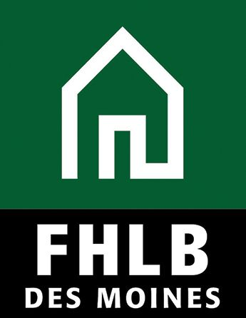
 |  | Community Investment Advance (CIA)

 |  | Loan Documentation Spreadsheet

Loan Documentation Spreadsheet - Small Business Lending (for use with Commercial Lending Advances qualified by Small Business - See Instructions below)
Loan Indentification | Loan Amount | Date Loan | Street Address |  |  |  | NAICS | Business Average | Business Average
Borrower Name | (Funded Amount) | Closed | (no PO Boxes or RR#) | City | State | Zip Code | Code | Gross Revenue | Employees
Ace Landscaping Service | $75,000 | 6/30/14 | 555 NW Main Street | Prairietown | IA | 52000 | 561730 | $936,512 | NA
Acme Manufacturing | $1,250,000 | 7/15/14 | 505 Trainer Street | Fairtown | MN | 56030 | 332999 | NA | 42

TOTAL | $0
last update 12/12/2014
Instructions
For use with Commercial Lending Advance qualifying small business or small farms using Small Business Administration size limitations.
Note: Beginning 1/1/2015 the FHLBDM is not placing loan size limitations on qualifying small business and small farm loans.

For all loans provide the borrower name, the funded amount of the loan (versus the committed amount), the date the loan closed, the project/business address, the business NAICS code, and either the gross revenue or the number of employees of the business based on the applicable SBA size limitation.

If the small business is qualified by average employees provide the avergage of employees over the last 12 months, including its affiliates. If the borrower has been in business less than 12 months provide the average over the applicable period. If a new business provide projected employees. Enter NA if not applicable.
See the Request for Funds form for information on Small Business and help in determining the business NAICS code.
Do not attach financial statements or tax return of borrower unless requested by the FHLB Des Moines.

